Sheet1
FOB Toronto

Painting Supply
Title | Units per Box | Boxes | Total |  |  | Comparable Retail Price | Price | TOTAL OFFER | Ext. Retail | Link
9" x 4 Wire Roller Frame | 48 | 900 | 43200 | 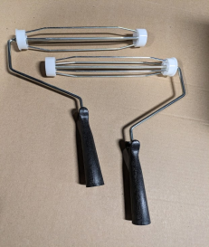 | 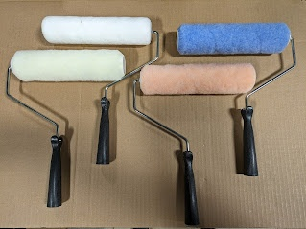 | $3.45 | $1.01 | $43,632.00 | $149,040.00 | https://www.grainger.ca/en/product/ROLLER-FRAME-9-IN-PLASTIC-HANDLE/p/GGM1UFN3
6.5" Jumbo WD 3/8 Roller Cover | 144 | 156 | 22464 |  | 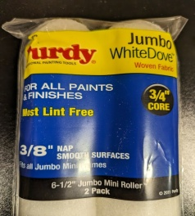 | $11.99 | $3.30 | $74,131.20 | $269,343.36 | https://store.springvalleybc.ca/product-p/7121825.htm
9" x 3/8" Standard, 9" x 1/2" Buff Roller Cover | 216 | 177 | 38232 | 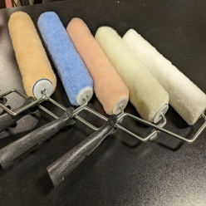 | 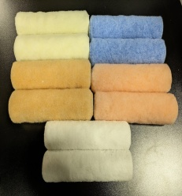 | $3.38 | $1.05 | $40,143.60 | $129,224.16 | https://www.grainger.ca/en/product/Paint-Roller-Cover%2C9%22L%2C3-8%22Nap%2CAcrylic/p/WWG403T21
4" Small Diameter Roller Cover | 1000 | 39 | 39000 |  |  | $0.61 | $0.30 | $11,700.00 | $23,790.00 | https://www.grainger.ca/en/product/MiniRoller-Cover%2C4%22L%2C1-2%22Nap%2CAcrylic%2CPK2/p/WWG415M69
4" x 1/2" Small Diameter Blue Knit Cover | 400 | 15 | 6000 |  |  | $2.30 | $0.80 | $4,800.00 | $13,800.00 | https://www.grainger.ca/en/product/Paint-Roller-Cover%2C4%22L%2C1-2%22Nap%2CAcrylic/p/WWG403T14
3" x 3/8" Poly Woven Roller Cover | 1001 | 7 | 7007 |  |  | $2.15 | $0.80 | $5,605.60 | $15,065.05 | https://www.grainger.ca/en/product/PAINT-ROLLER-COVER%2C3-IN-%2CCAGE-PK2/p/WWG29UT53
TOTAL |  |  | 155903 |  |  |  |  | $180,012.40 | $600,262.57

